New Vendor Request
Approval Matrix
Entity | TGI, GSI, EDI, S7S, H63
 | 1st approver |  | 2nd approver
 | Account Payables (Accounting Ops) | - ->> | Data Officer
Responsible: | Priscilla Gustilo | priscilla.gustilo@coffeebean.com.ph | Christian Paul Duria | christian.duria@tablegroup.com.ph
 |  |  | Arwin Larrazaga | arwin.larrazaga@tablegroup.com.ph

SLA for Data Officer: |  | 1-3 days

Request Name: | New Vendor Request Form

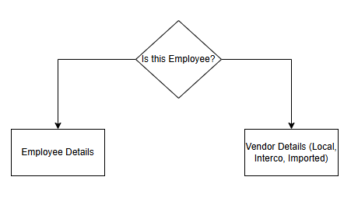
Email* | (should be valid email)
Brand* | (can be multiple tagging) |  | TGI, GSI, EDI, S7S, H63
Vendor Type* | (one vendor type only) |  | Employee or Local Trade, Interco, Imported

Employee Required Fields
Employee Name*
Employee ID* | (Attachment File) | upload 1 supported file.

(Local, Interco, Imported) Vendor Required Fields
Vendor Name*
Contact Person*
TIN #*
Telephone Number*
Phone Number*
Currency*
Address*
Payment Terms* | (dropdown) (one payment terms only) |  | COD, 7 Days, 15 Days, 45 Days, 50DP/50FP, 50DP/FP, 50DP/COD, IMMEDIATE, PDC 7 Days, PDC 15 Days, PDC 30 Days, PDC 45 Days
Subject to Withholding Tax* | (dropdown) |  | Yes/No
Tax Status* | (dropdown) (one tax status only) |  | Liable, Exempt
Tax Group* | (dropdown) (one tax group only) |  | IVAT-E (Input VAT Exempt, IVAT-N (Input VAT Goods), IVAT-S(Input VAT Services), IVAT-Z (Zero Rated), N-VAT(Non-VAT Goods, Services)
COR/SEC* | (Attachment File) | Upload up to 10 supported files
Blank Invoice* | (Attachment File) | Upload up to 5 supported files
Blank Receipt* | (Attachment File) | Upload up to 1 supported file

New BOM
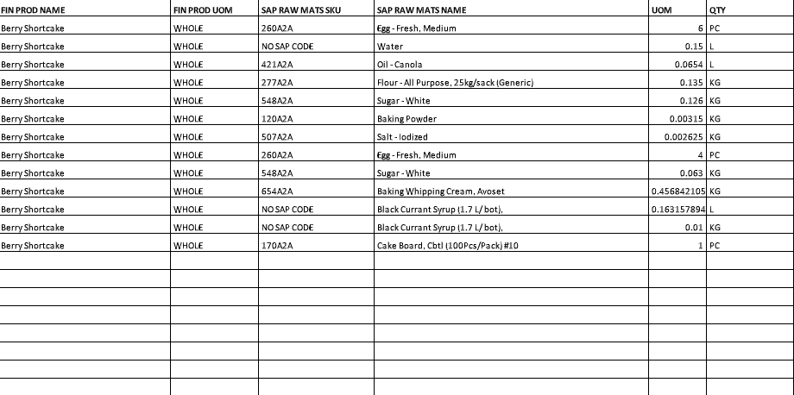
Approval Matrix

Entity | GSI Only

 | Data Officer | - ->> | GSI Senior Officer-in-charge | - ->> | Financial Reporting Manager
Responsible: | Christian Paul Duria | christian.duria@tablegroup.com.ph | John Patrick Acosta | patrick.acosta@tablegroup.com.ph | Christine Tesorero | christine.tesorero@tablegroup.com.ph
 | Arwin Larrazaga | arwin.larrazaga@tablegroup.com.ph

SLA for Data Officer: |  | 1-3 days

Email*
Warehouse Location* | (1 whse location only) | 01,02,03, Big Whse, Small Whse, Chiller, Freezer

Note: This is the format of the BOM uploader, let's adapt this if possible)
FIN PROD NAME* | FIN PROD UOM* | SAP RAW MATS SKU* | SAP RAW MATS NAME* | UOM* | QTY*
Berry Shortcake | WHOLE | 260A2A | Egg - Fresh, Medium | 6 | PC
Berry Shortcake | WHOLE | NO SAP CODE | Water | 0.15 | L
Berry Shortcake | WHOLE | 421A2A | Oil - Canola | 0.0654 | L
Berry Shortcake | WHOLE | 277A2A | Flour - All Purpose, 25kg/sack (Generic) | 0.135 | KG
Berry Shortcake | WHOLE | 548A2A | Sugar - White | 0.126 | KG
Berry Shortcake | WHOLE | 120A2A | Baking Powder | 0.00315 | KG
Berry Shortcake | WHOLE | 507A2A | Salt - Iodized | 0.002625 | KG
Berry Shortcake | WHOLE | 260A2A | Egg - Fresh, Medium | 4 | PC
Berry Shortcake | WHOLE | 548A2A | Sugar - White | 0.063 | KG
Berry Shortcake | WHOLE | 654A2A | Baking Whipping Cream, Avoset | 0.4568421053 | KG
Berry Shortcake | WHOLE | NO SAP CODE | Black Currant Syrup (1.7 L/ bot), | 0.1631578947 | L
Berry Shortcake | WHOLE | NO SAP CODE | Black Currant Syrup (1.7 L/ bot), | 0.01 | KG
Berry Shortcake | WHOLE | 170A2A | Cake Board, Cbtl (100Pcs/Pack) #10 | 1 | PC

Sample uploader:

